Desgin and Results
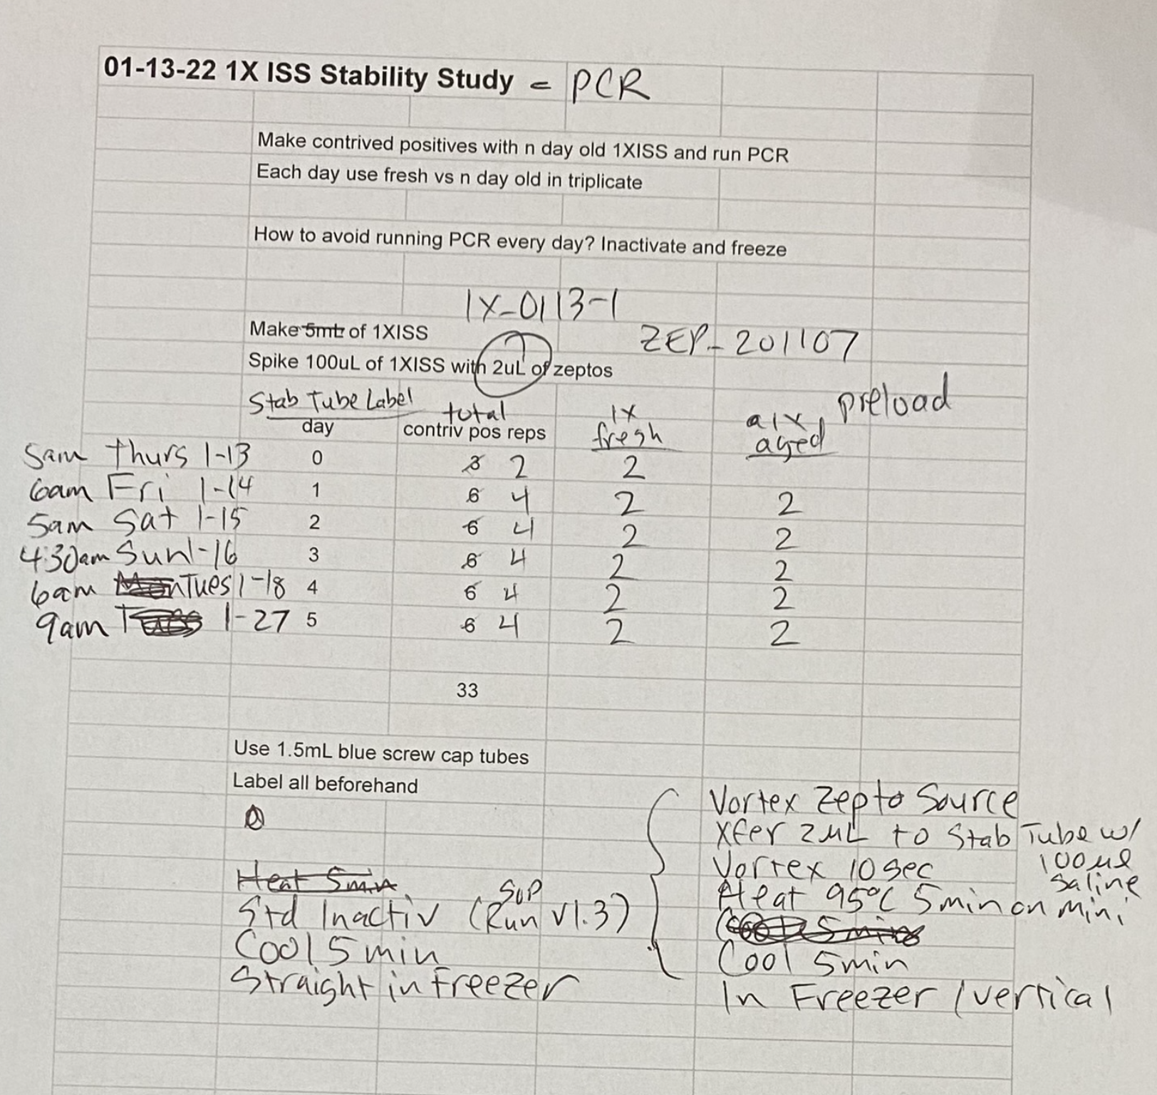
1X ISS Stability Study - Avg Ct vs. Day (2-5-22)
01-13-22 1X ISS Stability Study

 | Make contrived positives with n day old 1XISS and run PCR
 | Each day use fresh vs n day old in triplicate

 | How to avoid running PCR every day? Inactivate and freeze

 | Make 5mL of 1XISS 1X_0113-1
 | Spike 100uL of 1XISS with 2uL of zeptos |  |  | ZEP_201107

 | Date | Day | Tube# | Sample Name | Avg Ct
 | 2022-01-13 | 0 | 0 | S0 | 34.4
 | 2022-01-14 | 1 | 1 | S1 | 34.2
 | 2022-01-15 | 2 | 2 | S2 | 33.8
 | 2022-01-16 | 3 | 3 | S3 | 34.5
 | 2022-01-18 | 5 | 4 | S4 | 33.8
 | 2022-01-27 | 14 | 5 | S5 | 34.3

 | Use 1.5mL blue screw cap tubes
 | Label all beforehand

